Power Calculator
Interactive TD 306, December 2023
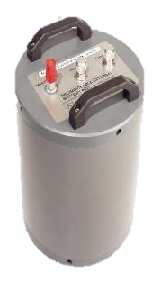

 | SeaGuardII DCP Power Calculator |  |  |  |  |  |  |  |  |  |  |  |  |  | SeaGuardII DCP |  |  |  |  |  |  |  |  |  |  | Temperature Sensor |  |  |  |  |  | Oxygen Optode
 |  |  |  |  |  |  |  |  |  |  |  |  |  |  | Selecting Broad Band or Narrow Band |  |  |  |  |  |  |  |  |  |  |  |  |  |  |  |  |  |  |  |  |  |  |  |  | ZPulse Doppler Current Sensor
 |  |  |  |  |  |  |  |  |  |  |  |  |  |  |  |  |  |  |  |  |  | Pressure Sensor |  |  |  |  |  |  | Conductivity Sensor |  |  |  |  |  | Turbidity Sensor

Scenario | Recording Group for DCPS (Doppler Current Profiler Sensor) |  |  |  |  |  |  |  |  |  |  |  |  |  |  |  |  |  |  |  | Recording Group for additional sensors |  |  |  |  |  |  |  |  |  |  |  | Recording Group for additional sensors |  |  |  |  |  |  |  |  |  |  |  | Battery |  | Power Consumption Distribution |  |  | Average Current Consumption | Deployment Time | Single Ping Standard Deviation |  |  | Velocity precision (horizontal)
 |  | Common |  |  |  | Column1 |  |  |  | Column2 |  |  |  | Column3 |  |  |  | Acoustic Directional Wave Calculation |  |  |  | Pressure | Temperature | Conductivity | Oxygen | Turbidity | Wave & Tide |  |  |  | DCS (Doppler Current Sensor, single point) |  |  | Pressure | Temperature | Conductivity | Oxygen | Turbidity | Wave & Tide |  |  |  | DCS (Doppler Current Sensor, single point) |  | Selection | Usable Capacity | Currents and Data Logging | Wave | Additional Sensors |  |  | Column1 | Column2 | Column3 | Column1 | Column2 | Column3
 | Interval [min] | Mode | Number of pings | Depth [m] | Surface Cell | Number of Cells | Distance to first cell [m] | Cell Size [m] | Surface referenced | Number of Cells | Distance to first cell [m] | Cell Size [m] | Surface referenced | Number of Cells | Distance to first cell [m] | Cell Size [m] | Surface referenced | Enabled | Ping Frequency | Wave Integration Time | Interval [min] | Number of sensors | Number of sensors | Number of sensors | Number of sensors | Number of sensors | Number of sensors | Sampling frequency | Tidal average period | Waves number of samples | Number of sensors | Number of pings | Interval [min] | Number of sensors | Number of sensors | Number of sensors | Number of sensors | Number of sensors | Number of sensors | Sampling frequency | Tidal average period | Waves number of samples | Number of sensors | Number of pings | Enter total battery capacity in Ah or select battery option from drop down list | [Ah] | [%] | [%] | [%] | [mA] | [Days] | [cm/s] | [cm/s] | [cm/s] | [cm/s] | [cm/s] | [cm/s]
1 |  | Broad Band | 10 | 50 | No | 1 | 1 | 2 | No | 0 | 1 | 2 | No | 0 | 2 | 3 | Yes | No | 2 Hz | 25 min | 1 | 1 | 0 | 1 | 1 | 1 | 1 | 4 Hz | 20s | 2048 | 0 | 150 | 3 | 0 | 0 | 0 | 0 | 0 | 2 | 4 Hz | 20s | 2048 | 0 | 150 | 1 x 3908 7V Lithium (internal) | 35 | 2% | 0% | 98% | 31.5 | 46.3
2 | 5 | Broad Band | 70 | 50 | No | 20 | 1 | 2 | No | 0 | 1 | 2 | No | 0 | 2 | 3 | Yes | No | 2 Hz | 25 min | 60 | 1 | 0 | 1 | 1 | 1 | 0 | 4 Hz | 20s | 2048 | 0 | 150 |  | 0 | 0 | 0 | 0 | 0 | 0 | 4 Hz | 20s | 2048 | 0 | 150 | 1 x 3908 7V Lithium (internal) | 35 | 98% | 0% | 2% | 53.3 | 27.3 | 3.0 | 3.0 | 2.5 | 0.4 | 0.4 | 0.3
3 |  | Broad Band | 50 | 40 | Yes | 40 | 2 | 1 | No | 0 | 30 | 2 | Yes | 0 | 2 | 2 | Yes | No | 4 Hz | 25 min | 60 | 1 | 1 | 1 | 1 | 0 | 0 | 4 Hz | 20s | 512 | 1 | 150 |  | 0 | 0 | 0 | 0 | 0 | 0 | 4 Hz | 20s | 512 | 0 | 150 | 1 x 3908 7V Lithium (internal) | 35 | 24% | 0% | 68% | 2.1 | 702.2
4 | 30 | Narrow Band | 200 | 50 | Yes | 40 | 2 | 1 | No | 0 |  |  |  | 0 |  |  |  | No | 2 Hz | 25 min | 30 | 0 | 1 | 1 | 1 | 0 | 0 | 4 Hz | 20s | 512 | 0 | 150 |  | 0 | 0 | 0 | 0 | 0 | 1 | 4 Hz | 20s | 2048 | 0 | 150 | 2 x 3908 7V Lithium (internal) | 70 | 92% | 0% | 7% | 12.2 | 238.2 | 45.0 | #N/A | #N/A | 3.2 | #N/A | #N/A
5 | 30 | Narrow Band | 20 | 60 | No | 60 | 2 | 2 | Yes | 0 | 1 | 1 | No | 0 | 2 | 3 | Yes | No | 2 Hz | 20 min |  | 0 | 1 | 1 | 1 | 0 | 2 | 2 Hz | 40s | No wave! | 0 | 150 |  | 0 | 0 | 0 | 0 | 0 | 0 | 4 Hz | 20s | No wave! | 0 | 150 | 2 x 3988 9V Alkaline (internal) | 30 | 67% | 0% | 29% | 4.2 | 299.9 | 22.0 | 45.0 | 15.0 | 4.9 | 10.1 | 3.4

Instructions
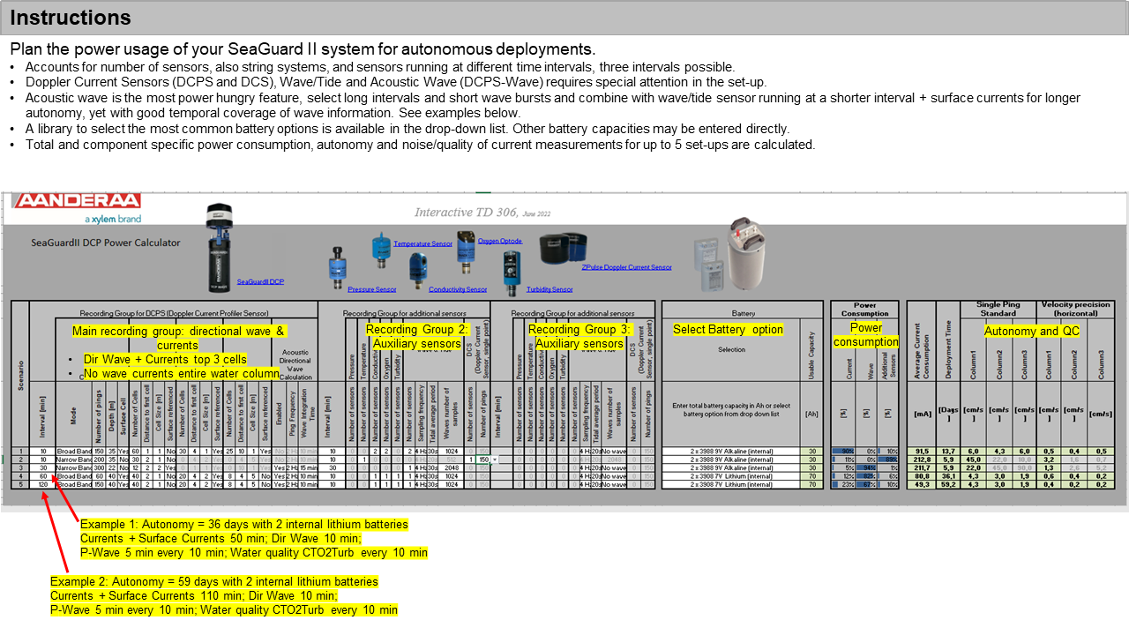

BB vs NB
